Current GPIO Pins - Robohat
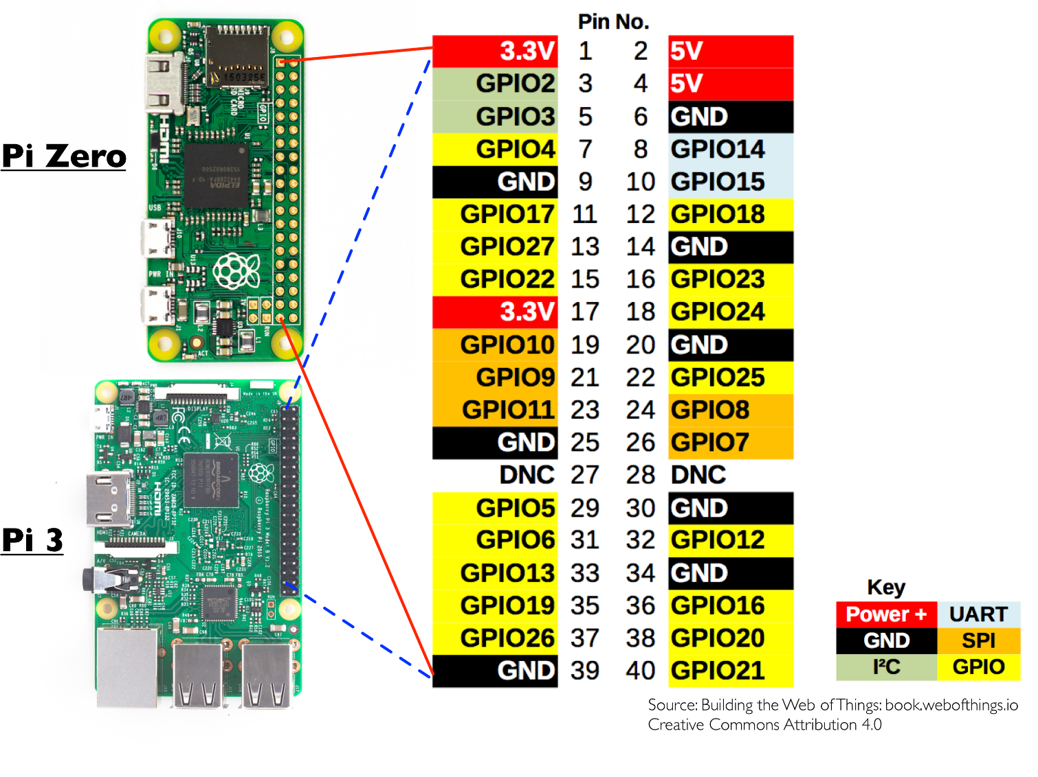
 | Pin No.
 | 1 | 2
 | 3 | 4
 | 5 | 6
Not on Robohat | 7 | 8
 | 9 | 10
Not on Robohat | 11 | 12 | Sonar Left
Free Input on GPIO | 13 | 14
Sonar Left | 15 | 16 | Sonar Right
 | 17 | 18 | Servo
 | 19 | 20
 | 21 | 22 | Servo
 | 23 | 24
 | 25 | 26
 | 27 | 28
Not on Robohat | 29 | 30
Sonar Right | 31 | 32 | Right Motor
Right Motor | 33 | 34
Left Motor | 35 | 36 | Left Motor
Not on Robohat | 37 | 38 | Sonar Front
 | 39 | 40 | Not on Robohat

GPIO Pins - L298N 33.3.18

GPIO Pin No. Mapped to GPIOLayout.py
 | Pin No.
 | 1 | 2
 | 3 | 4
 | 5 | 6
MOTOR_RIGHT_FRONT_FORWARD_PIN | 7 | 8
 | 9 | 10
MOTOR_RIGHT_FRONT_BACKWARD_PIN | 11 | 12 | SONAR_LEFT_TX_PIN
DUCK_SHOOT_FIRE | 13 | 14
SONAR_LEFT_RX_PIN | 15 | 16 | SONAR_RIGHT_RX_PIN
 | 17 | 18 | SERVO_VERTICAL_PIN
 | 19 | 20
 | 21 | 22 | SERVO_HORIZONTAL_PIN
 | 23 | 24
 | 25 | 26
 | 27 | 28
MOTOR_LEFT_FRONT_FORWARD_PIN | 29 | 30
SONAR_RIGHT_TX_PIN | 31 | 32 | MOTOR_LEFT_REAR_BACKWARD_PIN
MOTOR_RIGHT_REAR_FORWARD_PIN | 33 | 34
MOTOR_LEFT_REAR_FORWARD_PIN | 35 | 36 | MOTOR_RIGHT_REAR_BACKWARD_PIN
MOTOR_LEFT_FRONT_BACKWARD_PIN | 37 | 38 | SONAR_FRONT_TX_PIN / SONAR_FRONT_RX_PIN
 | 39 | 40 | SONAR_FRONT_RX_PIN

